Supporting Documents
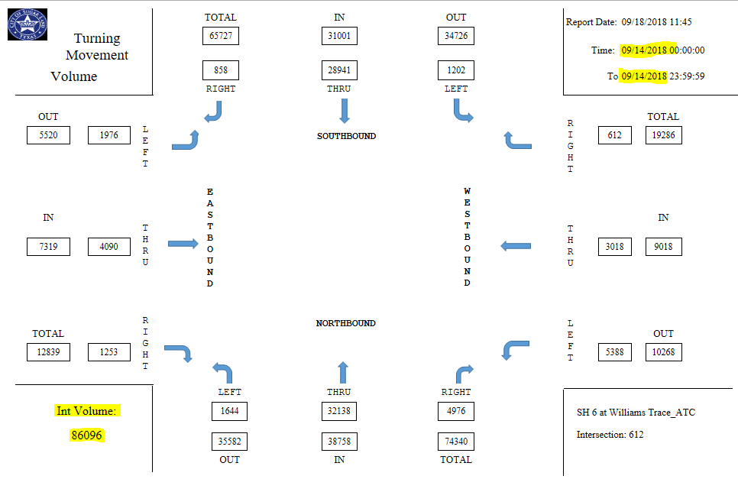

PER report from Castello does not provide any traffic model or additional information.

